Sheet1
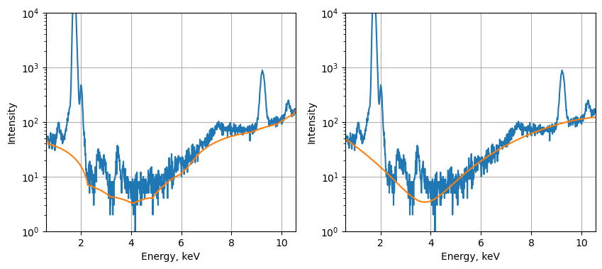
fit | det. 1 std | det. 2 std | det. 1 norm std | det. 2 norm std | rmse | rmses
bruker | 131 | 144 | 0.0099763917447 | 0.010722263589
bruker w/ bg | 119 | 132 | 0.0078724530299 | 0.0084892919159
pymca snip 30 | 146 | 150 | 0.010300550303 | 0.010363410253 | 22.506731696 | 0.74407436699
pymca snip 40 | 151 | 154 | 0.010597234894 | 0.01058419244 | 22.784982396 | 0.79917448693
pymca snip 60 | 155 | 155 | 0.010849783004 | 0.010617892862 | 23.134322492 | 0.84952629638
pymca snip 60 + linear | 126 | 150 | 0.0092660685395 | 0.010813148789 | 21.649079883 | 0.60423514314
pymca strip | 157 | 170 | 0.011012906846 | 0.011643835616 | 23.212605571 | 0.85146247533
pymca polynomial | 122 | 136 | 0.0090477603085 | 0.0098837209302 | 22.130291939 | 0.67567871766

